Calibration Curves
Calibration Curves in Calibration Units
 |  |  |  |  | Cor. Coef:
 | U 424.167 | y = 4362,6010x + 785,3631 | Equ: Linear Calculated Intercept |  | 0.999815
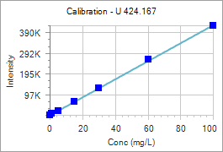
 | Sample Id | Corrected Intensity | Entered Conc. | Calculated Cal Unit Conc. | % Residual Error
 | BLANK | 0.0 | 0.000 | -0.180 | N/A
 | STD 1 | 6569.9 | 1.000 | 1.326 | 32.59
 | STD 2 | 22013.2 | 5.000 | 4.866 | -2.68
 | STD 3 | 63603.4 | 15.000 | 14.399 | -4.01
 | STD 4 | 131183.5 | 30.000 | 29.890 | -0.37
 | STD 5 | 268784.6 | 60.000 | 61.431 | 2.39
 | STD 6 | 433851.7 | 100.000 | 99.268 | -0.73

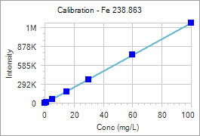
 |  |  |  |  | Cor. Coef:
 | Fe 238.863 | y = 12770,8455x - 2123,9064 | Equ: Linear Calculated Intercept |  | 0.999900
 | Sample Id | Corrected Intensity | Entered Conc. | Calculated Cal Unit Conc. | % Residual Error
 | BLANK | 0.0 | 0.000 | 0.166 | N/A
 | STD 1 | 17620.0 | 1.000 | 1.546 | 54.60
 | STD 2 | 62640.9 | 5.000 | 5.071 | 1.43
 | STD 3 | 180194.8 | 15.000 | 14.276 | -4.83
 | STD 4 | 373233.2 | 30.000 | 29.392 | -2.03
 | STD 5 | 772633.9 | 60.000 | 60.666 | 1.11
 | STD 6 | 1273458.2 | 100.000 | 99.882 | -0.12

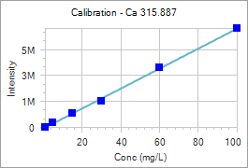
 |  |  |  |  | Cor. Coef:
 | Ca 315.887 | y = 76920,6711x - 70965,4798 | Equ: Linear Calculated Intercept |  | 0.999517
 | Sample Id | Corrected Intensity | Entered Conc. | Calculated Cal Unit Conc. | % Residual Error
 | STD 1 | 27715.5 | 1.000 | 1.283 | 28.29
 | STD 2 | 326881.7 | 5.000 | 5.172 | 3.44
 | STD 3 | 1079710.7 | 15.000 | 14.959 | -0.27
 | STD 4 | 2046300.9 | 30.000 | 27.525 | -8.25
 | STD 5 | 4621328.5 | 60.000 | 61.002 | 1.67
 | STD 6 | 7631565.8 | 100.000 | 100.136 | 0.14

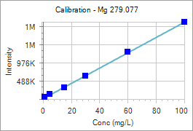
 |  |  |  |  | Cor. Coef:
 | Mg 279.077 | y = 21120,9844x + 17930,4249 | Equ: Linear Calculated Intercept |  | 0.999852
 | Sample Id | Corrected Intensity | Entered Conc. | Calculated Cal Unit Conc. | % Residual Error
 | STD 1 | 57637.6 | 1.000 | 1.880 | 88.00
 | STD 2 | 130910.9 | 5.000 | 5.349 | 6.98
 | STD 3 | 326947.5 | 15.000 | 14.631 | -2.46
 | STD 4 | 642100.2 | 30.000 | 29.552 | -1.49
 | STD 5 | 1299622.7 | 60.000 | 60.683 | 1.14
 | STD 6 | 2124821.9 | 100.000 | 99.753 | -0.25

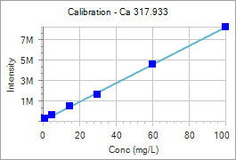
 |  |  |  |  | Cor. Coef:
 | Ca 317.933 | y = 91496,8327x + 71637,5838 | Equ: Linear Calculated Intercept |  | 0.999584
 | Sample Id | Corrected Intensity | Entered Conc. | Calculated Cal Unit Conc. | % Residual Error
 | STD 1 | 253537.5 | 1.000 | 1.988 | 98.80
 | STD 2 | 596611.2 | 5.000 | 5.738 | 14.75
 | STD 3 | 1479785.1 | 15.000 | 15.390 | 2.60
 | STD 4 | 2625900.3 | 30.000 | 27.916 | -6.95
 | STD 5 | 5614278.5 | 60.000 | 60.577 | 0.96
 | STD 6 | 9237182.2 | 100.000 | 100.173 | 0.17

